Sheet1
Picture | Model | Size | Quantity
 |  |  | 1805
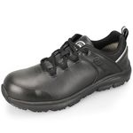 | OX3301BK | 8 | 14
 |  | 8.5 | 20
 |  | 9 | 19
 |  | 9.5 | 34 | https://www.amazon.com/OUXX-Slip-Resistant-Lightweight-Resistant-OX3301BK/dp/B0CFL3H12Y?ref_=ast_sto_dp&th=1&psc=1
 |  | 10 | 36
 |  | 10.5 | 12
 |  | 11 | 8
 |  | 12 | 11
 |  | 13 | 7
 | OX8301BK | 8 | 21
 |  | 8.5 | 39
 |  | 9 | 48 | https://www.amazon.com/OUXX-Ultralight-Anti-Slip-Comfortable-Breathable/dp/B0CMLS2S5F?ref_=ast_sto_dp&th=1&psc=1
 |  | 9.5 | 46
 |  | 10 | 46
 |  | 10.5 | 54
 |  | 11 | 39
 |  | 12 | 29
 |  | 13 | 28
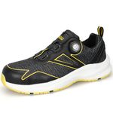 | OX5301YE | 8 | 29
 |  | 8.5 | 40
 |  | 9 | 37 | https://www.amazon.com/OUXX-Autolock-Slip-Resistant-Aluminum-OX5301BY/dp/B0CNV98LW9?ref_=ast_sto_dp&th=1&psc=1
 |  | 9.5 | 49
 |  | 10 | 50
 |  | 10.5 | 31
 |  | 11 | 48
 |  | 12 | 28
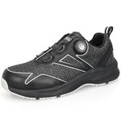 | OX5301BY | 8 | 37
 |  | 8.5 | 45
 |  | 9 | 62
 |  | 9.5 | 45 | https://www.amazon.com/OUXX-Autolock-Slip-Resistant-Aluminum-OX5301BY/dp/B0CNV8J7Z2?ref_=ast_sto_dp&th=1&psc=1
 |  | 10 | 44
 |  | 10.5 | 53
 |  | 11 | 38
 |  | 12 | 25
 |  | 13 | 5
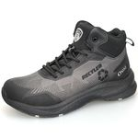 | OX7601 | 8 | 16
 |  | 8.5 | 42
 |  | 9 | 56
 |  | 9.5 | 46
 |  | 10 | 45
 |  | 10.5 | 38
 |  | 11 | 24
 |  | 12 | 15
 |  | 13 | 10
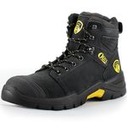 | OX024 | 8 | 4
 |  | 9 | 21
 |  | 9.5 | 6
 |  | 10 | 21 | https://www.amazon.com/OUXX-Static-dissipative-Breathable-Comfortable-OX1625/dp/B0B2JJ57BP?ref_=ast_sto_dp&th=1
 |  | 10.5 | 16
 |  | 11 | 11
 |  | 12 | 28
 |  | 13 | 8
 |  | 14 | 6
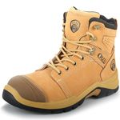 | OX025 | 10 | 20
 |  | 10.5 | 49 | https://www.amazon.com/OUXX-Static-dissipative-Breathable-Comfortable-OX1625/dp/B0B2JN33X1?ref_=ast_sto_dp&th=1&psc=1
 |  | 11 | 31
 |  | 12 | 41
 |  | 13 | 14
 |  | 14 | 1
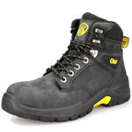 | OX1602 | 8.5 | 2
 |  | 9 | 2
 |  | 10 | 4 | https://www.amazon.com/OUXX-Static-dissipative-Breathable-Comfortable-OX1625/dp/B0B2JJ57BP?ref_=ast_sto_dp&th=1
 |  | 10.5 | 5
 |  | 12 | 17
 |  | 13 | 1
 | OX1704 | 8 | 2
 |  | 10 | 7
 |  | 12 | 12 | https://www.amazon.com/OUXX-Static-dissipative-Breathable-Comfortable-OX1625/dp/B0B2JJ57BP?ref_=ast_sto_dp&th=1
 |  | 13 | 4
 |  | 14 | 3

